Comments
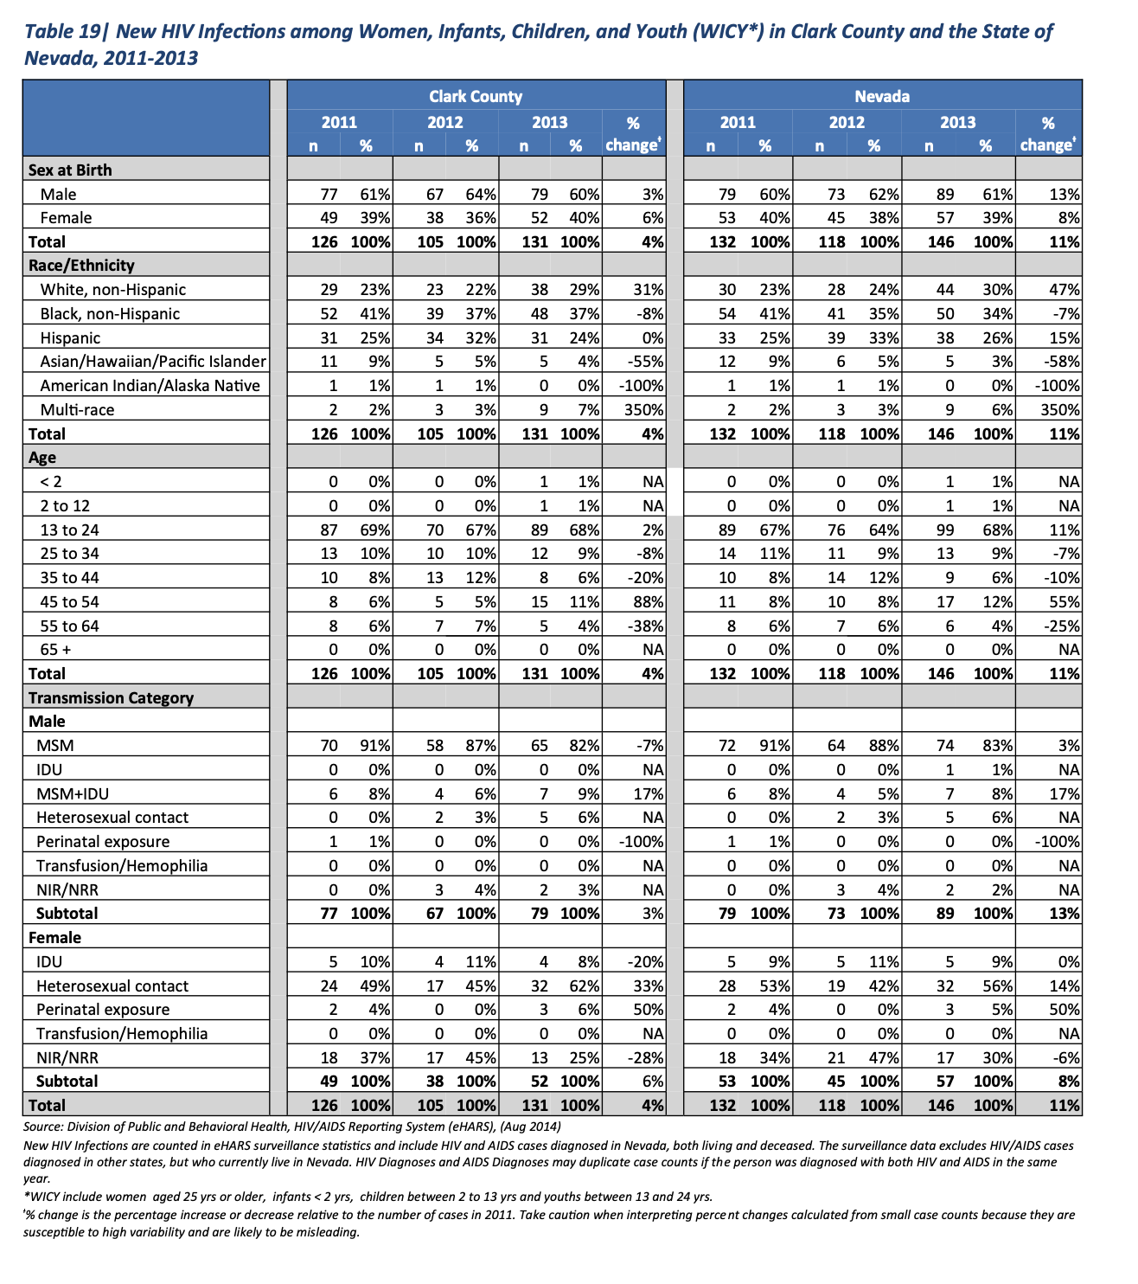
Specific EHE priority counties:

Clark county (entire MSA)
--> Clark county accounts for most HIV in Nevada; state-level data probably representatitve

http://dpbh.nv.gov/Programs/HIV-OPHIE/dta/Publications/HIV/AIDS_Surveillance_Program_(HIV-OPHIE)_-_Publications/
2009-2013 HIV Epi profile for Nevada; Fact Sheets for each year

Integrated plan reports and monitoring updates: http://dpbh.nv.gov/Programs/HIV/HIV_Prevention_-_Home/
http://dpbh.nv.gov/uploadedfiles/dpbh.nv.gov/content/programs/hiv-ryan/dta/policies/draft_hiv_plan_9.9.16.pdf
http://dpbh.nv.gov/uploadedFiles/dpbh.nv.gov/content/Programs/HIV/2019%20HIV%20Prevention%20and%20Care%20Monitoring%20Report.pdf
http://dpbh.nv.gov/uploadedFiles/dpbh.nv.gov/content/Programs/HIV/HIV%20Prevention%20and%20Care%20Monitoring%20Report%20Sept%202019%20finalada.pdf

